INFO
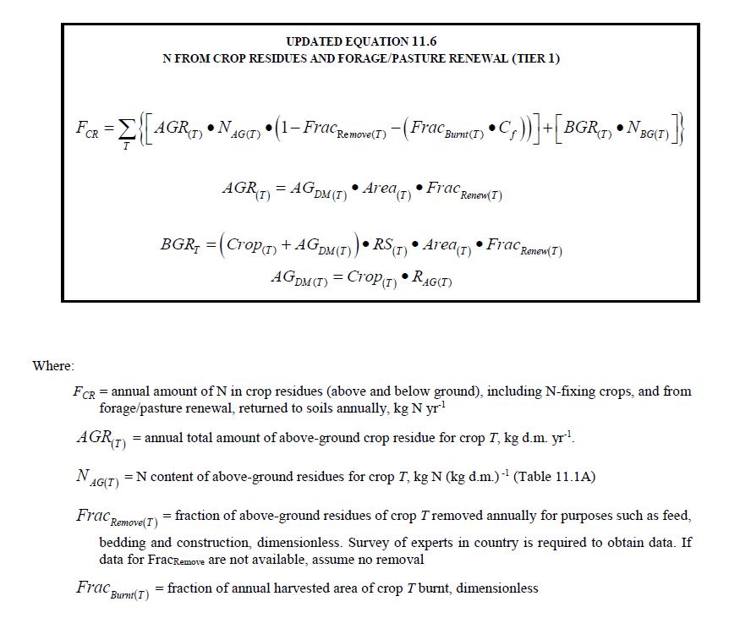
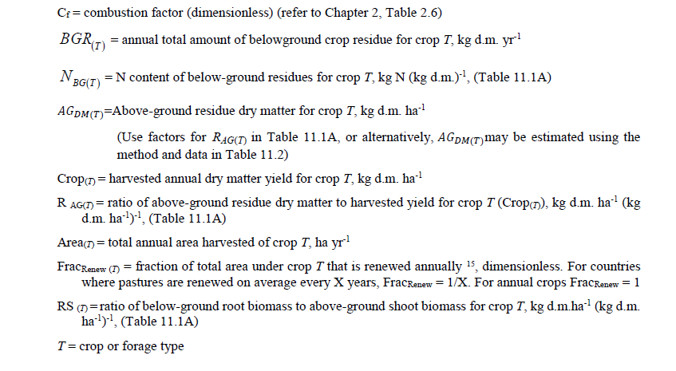
Crop residues

Dataset that contains factors for calculating the amount of crop residues left on fields after cropping.

Calculated as follows:

N in crop residues, F_CR = N in crop residues above ground + N crop residues below ground
That is, F_CR = Yield * DRY * R_AG * N_AG * (1 - Frac_remove) + ((Yield * DRY)+(Yield * DRY * R_AG)) * RS * N_BG

Parameters: |  | Source:
N_AG | N content of above-ground residues | IPCC (2019) Table 11.1A
N_BG | N content of below-ground residues | IPCC (2019) Table 11.1A
R_AG | Ratio of above-ground residue dry matter to harvested yield | IPCC (2019) Table 11.1A
RS | Ratio of below-ground biomass to above-ground biomass | IPCC (2019) Table 11.1A |  | Source:
Frac_remove | Fraction of above-ground residues of crop removed annually for purposes such as feed, bedding and construction. | NIR for Sweden, other countries approximated with Sweden for crops grown in Sweden and other crops assumed Frac_remove is zero as suggested by IPCC (see screen shot below) |  | Table 11.1A
DRY | Dry matter fraction of harvested product | IPCC (2019) Table 11.1A for defaults and also:
 |  | Fruits | 0.85 | NIR
 |  | Vegetables | 0.90
 |  | Nuts | 0.95

Tabs:
N parameters | N_AG, N_BG, R_AG, RS and DRY, numbers in bold are more specific than the generic IPCC-factors
Frac_removed | Frac_removed per crop and country

Calculations based on the following equations from IPCC (2019) N2O EMISSIONS FROM MANAGED SOILS, AND CO2 EMISSIONS FROM LIME AND UREA APPLICATION, 2019 Refinement to the 2006 IPCC Guidelines for National Greenhouse Gas Inventories

